Sheet1
SMARTEN Control register |  |  |  | Tuning coolStep
 |  |  |  | Before tuning coolStep, first tune the stallGuard2 threshold level SGT, which affects the range of the load measurement value SG. coolStep uses SG to operate the motor near the optimum load angle of +90°. The current increment speed is specified in SEUP, and the current decrement speed is specified in SEDN. They can be tuned separately because they are triggered by different events that may need different responses. The encodings for these parameters allow the coil currents to be increased much more quickly than decreased, because crossing the lower threshold is a more serious event that may require a faster response. If the response is too slow, the motor may stall. In contrast, a slow response to crossing the upper threshold does not risk anything more serious than missing an opportunity to save power.
SEIMIN | 0 or 1 | -----> | 1
SEDN | 00, 01, 10, 11 | -----> | 10
reserved | 0 | -----> | 0
SEMAX | 0-15 | 6 | 0110
reserved | 0 | -----> | 0
SEUP | 00,01,10,11 | -----> | 10
reserved | 0 | -----> | 0
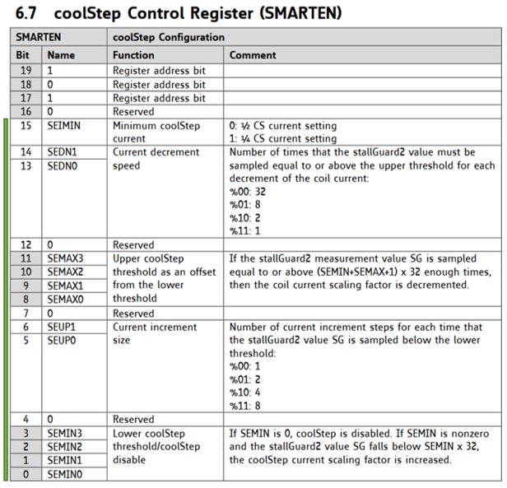
SEMIN | 0-15 | 12 | 1100

*Use green-filled areas for entry
 |  | Binary Control: | 1100011001001100
 |  | Decimal: | 50764
 | Example GCode, X axis: |  | M915 X T50764

SEMIN Starting Estimate Range

SG MIN | 11 | SEMIN Low: | 2
SG MAX | 442 | SEMIN High: | 4

SEMAX | 2 | *Comp Value L: | 160
Start with 0 - 1 |  | *Comp Value H: | 224

*With comparison value [SEMIN*32+(SEMAX+1)*32], CoolStep will scale down current only when the SG_RESULT exceeds this value. You can use the results from the equation as a starting value, but in fact it is best to try out the effect of different settings, because the StallGuard values will show some dependance on the motor current too.

Sheet password is SMARTEN

